Project Tracking
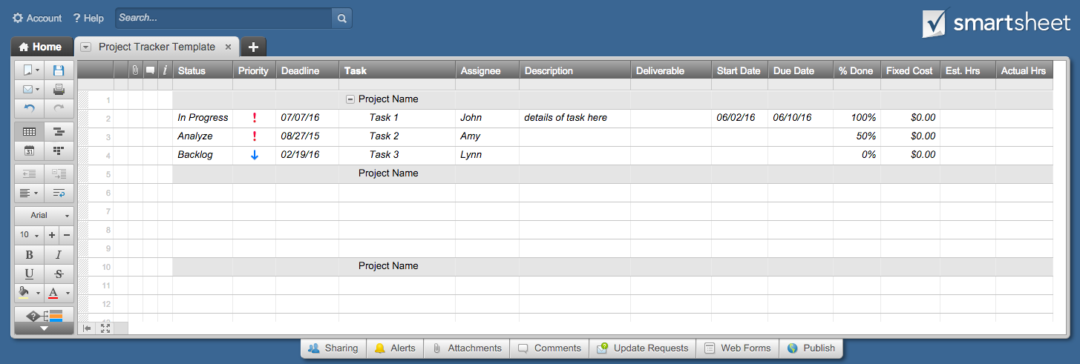
Project Tracking Template

 | Projects |  |  |  |  | Deliverable(s) |  | Cost/Hours
Status | Priority | Deadline | Task | Assignee | Description | Deliverable | % Done | Fixed Cost | Est. Hrs | Actual Hrs
 |  |  | Project Name
☒ | High | 2015-08-27 | Task |  | details of task here |  | 100% | $-
☒ | High | 2015-08-27 | Task |  |  |  | 50% | $-
☐ | Low | 2017-02-25 | Task |  |  |  | 0% | $-
 |  |  | Project Name
☐
☐
☐
☐
 |  |  | Project Name
☐
☐
☐
☐
 |  |  | Project Name
☐
☐
☐
☐

Click Here to Create a Project Tracker in Smartsheet

