Risk Management Matrix
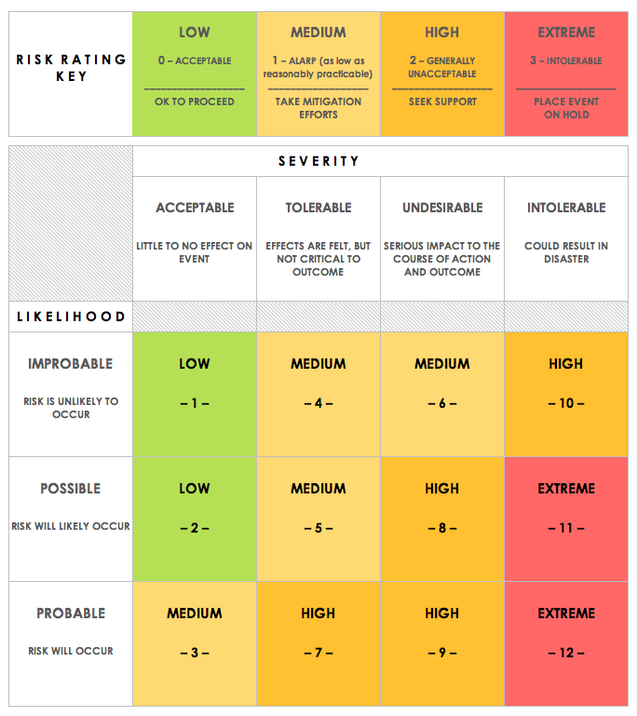
RISK MANAGEMENT MATRIX TEMPLATE
NAME |  |  |  |  | OBJECTIVE
REF/ID | PRE-MITIGATION |  |  |  | DEPARTMENT / LOCATION | MITIGATIONS / WARNINGS / REMEDIES | POST-MITIGATION |  |  |  | RISK SEVERITY KEY | RISK LIKELIHOOD KEY | RISK LEVEL KEY | ACCEPTABLE TO PROCEED? KEY
 | RISK | RISK SEVERITY | RISK LIKELIHOOD | RISK LEVEL |  |  | RISK SEVERITY | RISK LIKELIHOOD | RISK LEVEL | ACCEPTABLE TO PROCEED?
 |  | ACCEPTABLE | IMPROBABLE | LOW |  |  | ACCEPTABLE | IMPROBABLE | LOW | YES | ACCEPTABLE | IMPROBABLE | LOW | YES
 |  | TOLERABLE | POSSIBLE | MEDIUM |  |  | ACCEPTABLE | IMPROBABLE | LOW | YES | TOLERABLE | POSSIBLE | MEDIUM | NO
 |  | UNDESIRABLE | PROBABLE | HIGH |  |  | TOLERABLE | POSSIBLE | MEDIUM | YES | UNDESIRABLE | PROBABLE | HIGH
 |  | INTOLERABLE | PROBABLE | EXTREME |  |  | UNDESIRABLE | PROBABLE | HIGH | NO | INTOLERABLE |  | EXTREME

CLICK HERE TO CREATE IN SMARTSHEET

